BBL
Electric Immersion Element Heating Specs

NOTE: Fill in all values highlighted in yellow, see results below!
Vessel Size | 7 | BBL

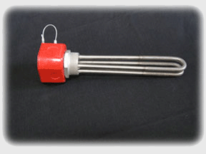
Number of Elements | 1 | Ports

Start Temperature | 152 | Degrees F

End Temperature | 155 | Degrees F

Heating Time | 0.5 | hours

Total kW Required: | 1.5892745905 | kW

Element Rating: | 3178.5491811 | Watts

In order to heat your 7 BBL HLT in 0.5 hours, you will need 1 ports rated for approximately 3179 Watts each.

GAL
Electric Element Heating Specs

Welcome to another beautiful and informative Forgeworks spreadsheet. Fill in all values highlighted in yellow, see results below! There is even a text box at the bottom where you can copy the sentence and send it straight to a customer! Wow, pretty idiot proof!
Vessel Size | 150 | Gallons

Number of Elements | 3 | Ports

Start Temperature | 70 | Degrees F

End Temperature | 212 | Degrees F


Heating Time | 1 | hours

Total kW Required: | 51.999306879 | kW

Element Rating: | 17333.102293 | Watts

In order to heat your 150 Gallon HLT in 1 hours, you will need 3 ports rated for approximately 17333 Watts each.

