Sheet1
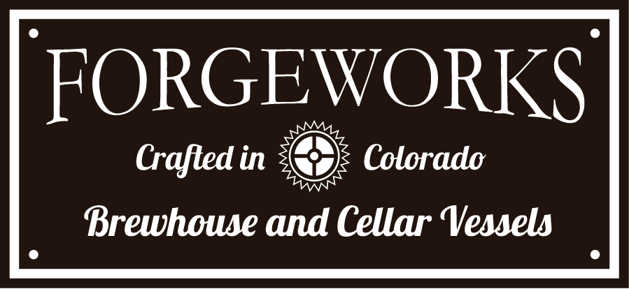

FERMENTATION CAPACITY CALCULATOR/Sizing your system
Based on 50 Brewing Weeks per year

When choosing a size for your Brewhouse, a few guidelines to consider include:
 | Production Space. You need space for expansion, additional fermentation
 | Proper sizing should get you at least 5 years down the road
 | The correctly sized brewhouse will satisfly demand with 2-3 brews per week, with perhaps a periodic back to back brew into a double sized fermenter for the top selling beer(s)
 | If correctly sized, future growth begins with the addition of fermenters, usually double sized
 | Switching out your equipment to a larger size within the first 2-3years is not practical plan

(Change Input in Blue)

Barrels per year | 1000
Brewhouse Size (Barrels) | 10
Brews per Week | 2

Percentage of Ales to Lagers
Ales | 90% | 900 | Barrels of Ales Annually
Lagers | 10% | 100 | Barrels of Lagers Annually

Ale Brew Cycles Annually | 25 |  | Two Weeks to Ferment Ales, 50 Brew weeks per year
Lager Brew Cyles Annually | 12.5 |  | Four Weeks to ferment Lagers, 50 Brew weeks per year

Fermentation Capacity
Required for Ales | 36 |  | Barrels of Ales Annually divided by Ale Brew Cycles Annually
Lagers | 8 |  | Barrels of Ales Annually divided by Lager Brew Cycles Annually
Total Fermentation Capacity | 44

 | 4.4 | Minimum Number of Fermenters Required

Considerations
You can brew back to back into a double sized Fermenter for your most popular brews. A double sized bright would be required or an extra single sized single wall serving tank. Including a double or triple sized Fermenter can assist in meeting annual production goals with less fermenters
You can figure needing 1 bright for every 4 Fermenters
There are many variables for the number of Single Wall Serving Tanks (inside cold room) you are able to put into service, and how many kegs you will need
Build the largest Cold Room you can get away with.
Beer in serving tanks should ideally cyle every 4-weeks to maximixe taste and minimize waste. Figure how much beer is reasonable to sell, based on each variety (number of taps), seating capacity, growler/crowler/can sales (to go).
Instead of adding an additional Bright, Uni-Tanks can be a good idea. This is a reasonably priced upgrate to a Fermenter, adding a port for a carbonation stone and a sight tube for tax determination. Your Fermenter becomes a Bright and a Serving Tank.

